Compliance Report
 | Weekly Asset Care Compliance Report
 | Don’t change Formula's
 | Week Ending | 29-Jan-26
 | Shaft / Area | NCHW II UG

 | Fleet / Equipment | Planned | Actual | Schedule Compliance | Target | Unit late for service (y/n) | Unit book back on time after service(y/n) |  | Week-end Service | Reasons for Non-Compliance
 | DT | 2 | 2 | 100% | 100% | N | Y
 | FL | 2 | 1 | 50% | 100% | N | Y |  |  | FL0100 is still on breakdown
 | HD | 2 | 2 | 100% | 100% | Y | Y
 | RT | 2 | 2 | 100% | 100% | Y | Y
 | SR - Service Compliance | 0 | 0 |  | 100%
 | Support Equipment | 5 | 4 | 80% | 100% | N | Y |  |  | UV0108 BELOW TO TMM KARABO'S SIDE
 | SR - Weekly Inspection | 8 | 8 | 100% | 100%
Weekly Compliance
 | Planned | Actual | Schedule Compliance | Target
DT | 2 | 2 | 100% | 100%
FL | 2 | 1 | 50% | 100%
HD | 2 | 2 | 100% | 100%
RT | 2 | 2 | 100% | 100%
SR - Service Compliance | 0 | 0 | 0% | 100%
Support Equipment | 5 | 4 | 80% | 100%
SR - Weekly Inspection | 8 | 8 | 100% | 100%

 | Service Pre-Inspection

 | Fleet / Equipment | Planned | Actual | Schedule Compliance | Target | Work order number | Remarks
 | DT | 0 | 0 |  | 95%
 | FL | 0 | 0 |  | 95%
 | HD | 2 | 2 | 100% | 95%
 | RT | 2 | 2 | 100% | 95%
 | SR - Service Compliance | 0 | 0 |  | 95%
 | Support Equipment | 4 | 4 | 100% | 95%

 | Schedule Compliance | Target
DT | 0 | 0.95
FL | 0 | 0.95
HD | 0 | 0.95
RT | 0 | 0.95
SR - Service Compliance | 0 | 0.95
Support Equipment | 1 | 0.95

 | Condition monitoring / Oil samples
 | Fleet / Equipment | Engine - Plan | Engine- Received | Transmission - Plan | Transmission - Receive | Axle - plan | Axle - Receive | % Compliance | Reasons for Non-Compliance |  |  | Paperwork Correct | Paperwork Incorrect | Urgent Oil Samples | Workorder Generated
 | DT | 2 | 2 |  |  |  |  | 100% |  |  |  |  |  | 0
 | FL | 2 | 1 |  |  |  |  | 50% |  |  |  |  |  | 0
 | HD | 0 |  |  |  |  |  |  |  |  |  |  |  | 0
 | RT | 0 |  |  |  |  |  |  |  |  |  |  |  | 0
 | SR | 0 |  |  |  |  |  |  |  |  |  |  |  | 0
 | Support Equipment | 5 | 4 |  |  |  |  | 80% | UV0108 BELOW TO TMM KARABO'S SIDE |  |  |  |  | 0

Condition monitoring / Oil samples
 | % Compliance
DT | 0
FL | 0
HD | 0
RT | 0
SR | 0
Support Equipment | 1
Oil Sample Paper Work
 | Paperwork Correct | Paperwork Incorrect

 | Remember Readings

 | Oil Filtration
 | Equipment nr | Oil Type | Start Reading | End Reading | Comments |  | ISO Standard
FA0001 - TMM W/S | DT0176 | Multigrade | 11/5/0 | 17/14/12
 | DT0159 | Multigrade | 12/3/0 | 18/14/11
 | HD0053 | AZOLLA | 20.18.16 | 18.16.15
 | RT0043 | AZOLLA | 18.15.12 | 17.13.10
 | HD0046 | AZOLLA | 21.19.18 | 18.16.14
 | RT0038 | AZOLLA | 22.18.17 | 18.15.12
FA0007 - HYDR DRILL W/S

 | Inspection done by: | Planned Over-Inspections | Total Number of Inspections Completed | Corrective Work | Wo Number | % Completed | Remarks for not comply
 | UTILITY FOREMAN | 4 | 4 |  |  | 100%
 | MECHANIC FOREMAN | 4 | 4 |  |  | 100%
 | DRILLS FOREMAN | 4 | 4 |  |  | 100%
 | Engineer
 | Electrical Foreman | 5 | 5 |  |  | 100%
 | Plant Foreman | 3 | 3 |  |  | 100%
 | GES Plant | 1 | 1 |  |  | 100%
 | GES TMM | 0 | 0 |  |  |  |  | In JHB this week for FL , DT inspection, Transerve for LDO578 and scissors lift

Over Inspections
 | Planned Over-Inspections | Total Number of Inspections Completed | Corrective Work
UTILITY FOREMAN | 4 | 4
MECHANIC FOREMAN | 4 | 4
DRILLS FOREMAN | 4 | 4
Engineer
Electrical Foreman | 5 | 5
Plant Foreman | 3 | 3
GES Plant | 1 | 1
GES TMM | 0 | 0

 | Equipment ID | Date of Inspection | Inspection Performed by | Findings and Defects Completed |  |  | Additional Follow-up Work |  |  | WO No. | Status
 | DT0176 500HRS SERVICE | 23/01/2026 | Karabo | NONE |  |  | I.O |  |  | 1915844
 | FL0102 2000HRS SERVICE | 26/01/2026 | Karabo | none |  |  | I.O |  |  | 1907306 | C
 | UV0108 | 27/01/2026 | Karabo | line boring assembeling |  |  | Lineboring assembeling |  |  | 1912712 | C
 | DT0159 250HRS SERVICE | 28/01/2026 | Karabo | none |  |  | none |  |  | 1917701 | C
 |  |  |  |  |  |  |  |  |  |  | C
 | HD0053 | 26/01/2026 | ADAM | L/H MAIN KNUCKLE TO BE REPLACED |  |  | ORDER KNUCKLE FOR REPLACEMENT
 | RT0043 | 27/01/2026 | ADAM | ENGINE OIL LEAK |  |  |  |  |  | 1910225 | C
 | HD0046 | 28/01/2026 | ADAM | NOT STARTING |  |  | REPLACE TIME DELAY |  |  | 25002316/A7 | C
 | RT0038 | 29/01/2026 | ADAM | TELESCOPIC WORN OUT |  |  | TELESCOPIC TO BE ORDERED |  |  |  | C
 |  |  |  |  |  |  |  |  |  |  | C
 | RT0056 | 26/01/2026 | Shaied | U-180 Faulty |  |  | Replaced U-180 |  |  | 1910802 | C
 | HD0053 | 26/01/2026 | Shaied | None |  |  | I.O
 | RT0043 | 27/01/2026 | Shaied | None |  |  | I.O |  |  | 1910228
 | HD0046 | 28/01/2026 | Shaied | Loose Connection on Compressor |  |  | Repaired |  |  | 1912536
 | RT0038 | 29/01/2026 | Shaied | None |  |  | I.O |  |  | 1912538

 | LD0581 | 26/01/2026 | ZULU | LIGHTS AND MACHINES WAS DIRTY MUD ON WHEEL COVER |  |  | HOUSEKEEPING WAS DONE AFTER SERVICE AND WE PLANNING TO DONE MAITENANCE ON |  |  | 1887514
 | LD0631 | 27/01/2026 | ZEE | IO |  |  | IO |  |  | 1904571
 | LD0649 | 29/01/2026 | ZULU | IO |  |  | IO |  |  | 1901234
 | UV0140 | 29/01/2026 | DIDI | IO |  |  |  |  |  | 1925123

 | Main dam wall FM Wk Insp | 28/01/2026 | Lebogang | None |  |  | None |  |  | 1912237 | C
 | Wk Insp Cv belt guard plant U/g | 28/01/2026 | Lebogang | None |  |  | None |  |  | 1912282 | C
 | Housekeeping W/shop BM FM | 26/01/2026 | Lebogang | None |  |  | None |  |  | 1911301 | C

Oil report
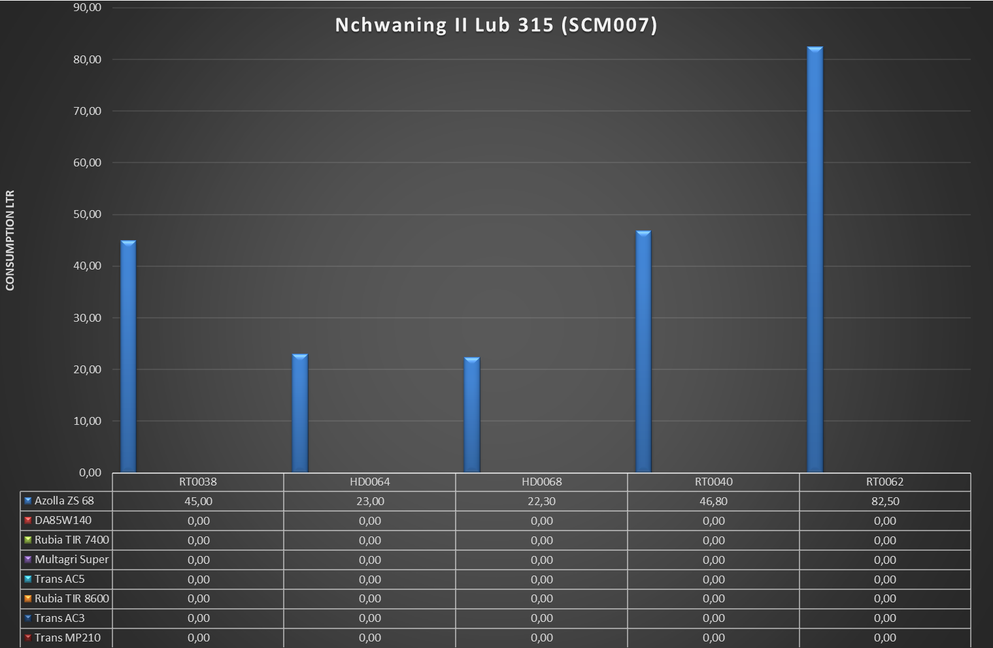
Nchwaning II Oil Store (UG1)SC
 | Azolla ZS 68 | DA85W140 | Rubia TIR 7400 | Multagri Super | Trans AC5 | Rubia TIR 8600 | Trans AC3 | Trans MP210
DT0120 | 0 | 0 | 0 | 28.3 | 0 | 0 | 0 | 0
DT0122 | 0 | 0 | 0 | 260.6 | 0 | 0 | 0 | 0
DT0128 | 0 | 0 | 74.7 | 0 | 0 | 0 | 0 | 0
DT0157 | 0 | 0 | 60.4 | 0 | 0 | 0 | 0 | 0
DT0158 | 0 | 0 | 0 | 19.4 | 0 | 0 | 0 | 0
DT0159 | 0 | 0 | 66.1 | 114 | 0 | 0 | 0 | 0
DT0169 | 0 | 0 | 42.4 | 28.1 | 0 | 0 | 0 | 0
DT0170 | 0 | 0 | 0 | 57 | 0 | 0 | 0 | 0
DT0176 | 0 | 0 | 77.9 | 85.1 | 0 | 0 | 0 | 0
DT0181 | 0 | 0 | 0 | 8.5 | 0 | 0 | 0 | 0
SR0033 | 87.3 | 0 | 0 | 0 | 0 | 0 | 0 | 0
SR0042 | 185 | 0 | 0 | 0 | 0 | 0 | 0 | 0
SR0045 | 0 | 0 | 0 | 0 | 0 | 0 | 0 | 0
SR0054 | 76.9 | 0 | 0 | 0 | 0 | 0 | 0 | 0
UV0138 | 0 | 0 | 4.2 | 0 | 0 | 0 | 0 | 0
FL0092 | 0 | 0 | 0 | 58.6 | 0 | 0 | 0 | 0
FL0085 | 0 | 2.15 | 43.8 | 203.8 | 0 | 0 | 0 | 0
FL0087 | 0 | 0 | 37.9 | 162.5 | 0 | 0 | 0 | 0
FL0102 | 0 | 0 | 32.6 | 220.2 | 0 | 0 | 0 | 0
FL0106 | 0 | 0 | 0 | 65.7 | 0 | 0 | 0 | 0
FL0114 | 0 | 0 | 0 | 234.1 | 0 | 0 | 0 | 0
FL0120 | 0 | 0 | 76.1 | 479.7 | 0 | 0 | 0 | 0
FL0066 | 0 | 138.05 | 40.8 | 171.2 | 0 | 0 | 0 | 0
FL0068 | 0 | 0 | 0 | 53.2 | 0 | 0 | 0 | 0

